Sheet1
Illinosi Environmental Protection Agency (IEPA)
Office of Energy
Modified Total Direct Cost (MTDC) Calculation Worksheet

Modified Total Direct Costs (MTDC) is the base to which indirect cost rates are applied.
Eligible Organizations: Non-federal entities which have never held a negotiated rate are eligible to elect the de minimis rate of 15% of modified total direct costs (MTDC)

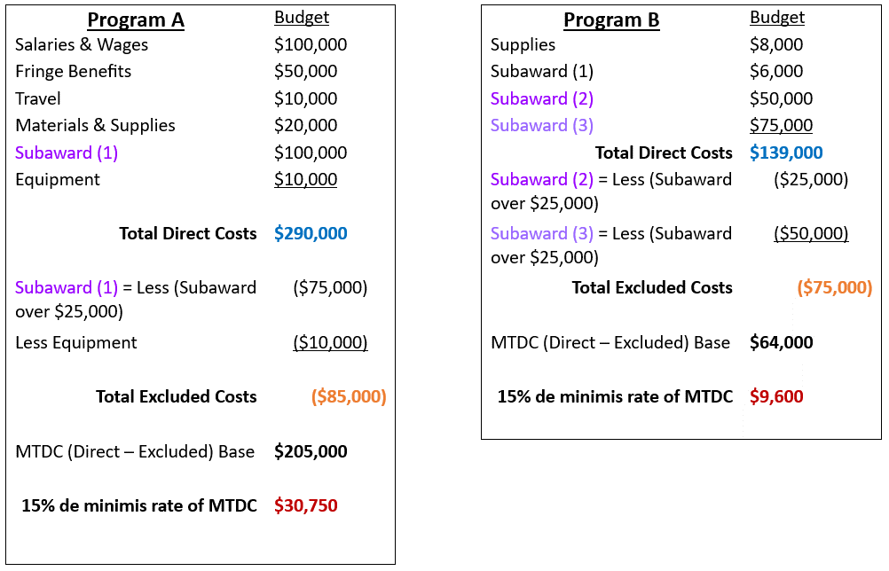
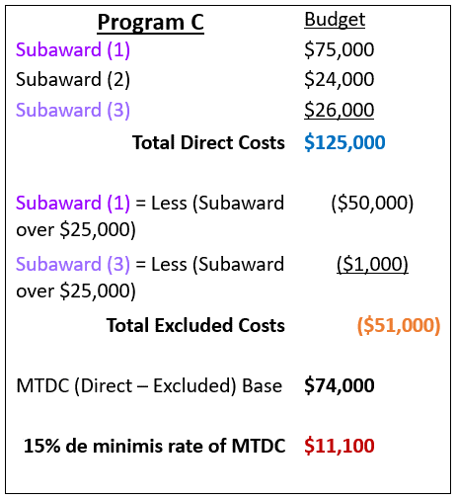

 | Use the worksheet below to determine program/project MTDC.
 | Information should only be entered in the purple colored cells.

 |  |  |  |  |  | Each subaward should be added as a separate line item below.
 |  | Budget Category | Budget Costs |  |  | Subawards Name | Total Subaward Amount | Calculated Exclusion
 | 1 | Personnel (Salary & Wage) |  |  | 1 |  |  | $-
 | 2 | Fringe Benefits |  |  | 2 |  |  | $-
 | 3 | Travel |  |  | 3 |  |  | $-
 | 4 | Equipment |  |  | 4 |  |  | $-
 | 5 | Supplies |  |  | 5 |  |  | $-
 | 6 | Contractural Services & Subawards |  |  | 6 |  |  | $-
 | 7 | Consultant Profressional Services |  |  | 7 |  |  | $-
 | 8 | Construction Services |  |  | 8 |  |  | $-
 | 9 | Occupancy (Rent & Utilities) |  |  | 9 |  |  | $-
 | 10 | Research & Development |  |  | 10 |  |  | $-
 | 11 | Telecommunications |  |  |  | Equipment |  | $-
 | 12 | Training & Education |  |  |  | Capital Expenditures |  | $-
 | 13 | Direct Administrative Costs |  |  |  | Rental Costs |  | $-
 | 14 | Miscellanceous Costs |  |  |  | Tuition Remission |  | $-
 | 15 | Grant Exclusive Items |  |  |  | Scholarships & Fellowships |  | $-
 |  | Total Direct Costs (add 1-15) | $- |  |  | Charges for Patient Care |  | $-
 |  |  |  |  |  | Total Excluded Costs |  | $-

 |  | Total Direct Costs |  | $-
 |  | Total Exclusions |  | $- |  | Total allowed Indirect Costs based on MTDC Base |  | $-
 |  | MTDC Base |  | $-
 |  | ICR Calculation (insert %) |  | $- |  | Total Costs (Direct & Indirect) |  | $-

